Assignment
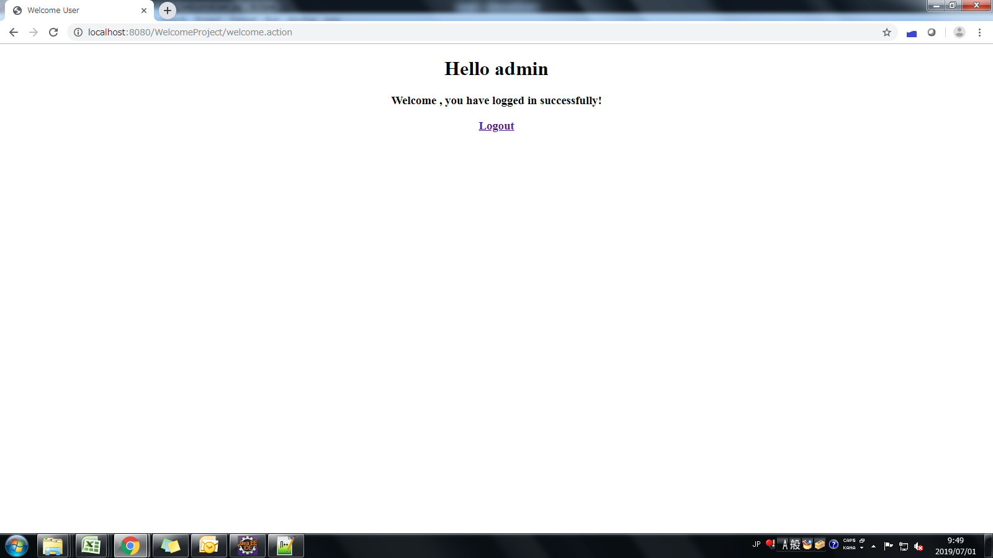
Custom Login Interceptor
1. Class name: LoginInterceptor
Package: com.uks.<INDIVIDUAL NAME>.struts.commons.db.logic
Properties : None
Method: None
Check for the user in session
Apply this interceptor on all the actions prepared earlier which are to be accessed only when the user has logged in the system.
Use this page as the default page for your application. (ex:- index.jsp) i.e welcome file page in web.xml

